ZR74168-pROMOTION DETAIL
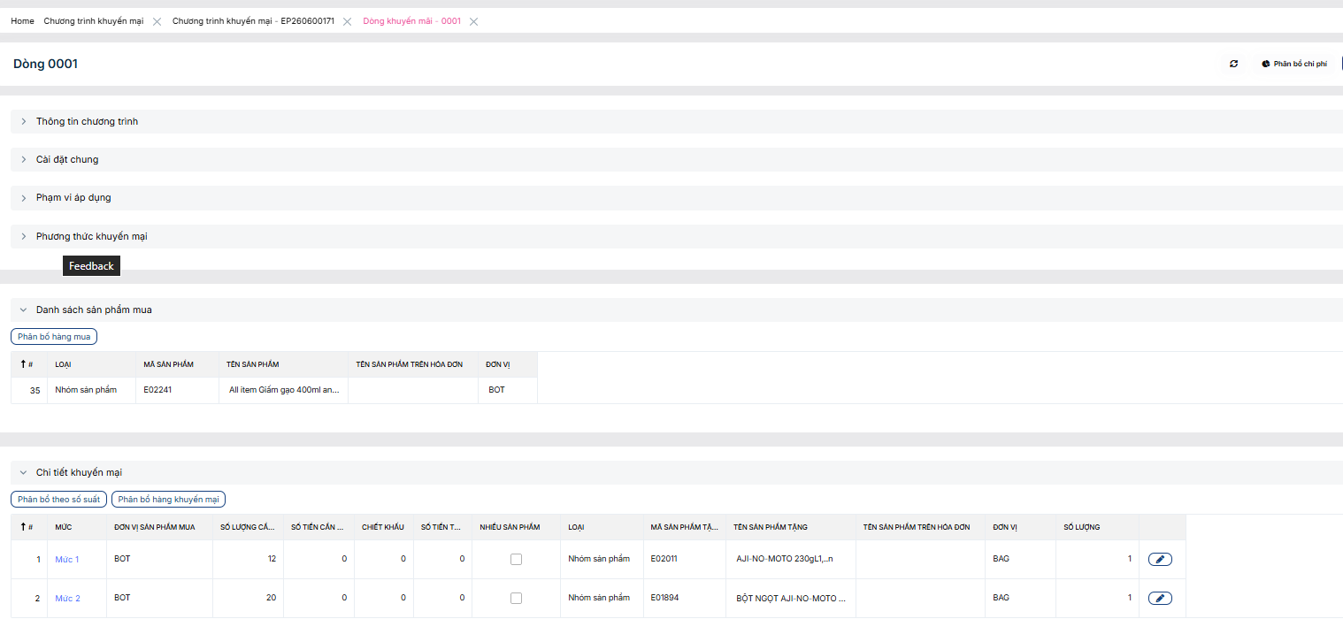
SFA |  |  |  | Check lại sao lệch |  |  |  |  |  |  |  |  |  |  |  |  | lấy thông tin sản phẩm mua |  | để trống | PROMO |  | Nhóm sản phẩm mua
eMobiz Company Code | eMobiz Customer Code | Promotion Master Code | Promotion Code | Promo. Detail Line ID | Auto Promotion | Sales Product Type | Sales Product Code | Sales By Quantity | Sales Uom | Sales By Amount | Promotion Quantity | Promotion Product Type | Promotion Product Code | Promotion Uom | Promotion Amount | Promotion Discount | Description | Limit Code | Description Detail | Promotion Bus Posting Group | Registration No | Sales Product Group Code | Created By | Created Date | Created Time | Last Updated By | Last Updated Date | Last Updated Time | Deleted
AVN | NPPAVN | EP260600171 | 0001 | 1 | X | PG | E02241 | 12.0000000 | BOT | 0.0000000 | 1.0000000 | PG | E02011 | BAG | 0.0000000 | 0.0000000 | AJI-NO-MOTO 230gL1,..n |  | Mua 12 chai/1 thùng Giấm gạo 400ml and/or Giấm táo lên men 400ml tặng 1 gói AJI-NO-MOTO 230gL1…n / 1 gói AJI-NO-MOTO 400gL19… |  | 18214-eDOC-SP-2026 |  | HQADMIN_01 | 2026-07-09 | 15:55:53 | HQADMIN_01 | 2026-08-01 | 11:54:16
AVN | NPPAVN | EP260600171 | 0001 | 2 | X | PG | E02241 | 20.0000000 | BOT | 0.0000000 | 1.0000000 | PG | E01894 | BAG | 0.0000000 | 0.0000000 | BỘT NGỌT AJI-NO-MOTO 400gL19/L20/21...N |  | Mua 12 chai/1 thùng Giấm gạo 400ml and/or Giấm táo lên men 400ml tặng 1 gói AJI-NO-MOTO 230gL1…n / 1 gói AJI-NO-MOTO 400gL19… |  | 18214-eDOC-SP-2026 |  | HQADMIN_01 | 2026-07-09 | 15:55:53 | HQADMIN_01 | 2026-08-01 | 11:54:16
AVN | NPPAVN | EP260600171 | 0008 | 1 | X | PG | E02241 | 12.0000000 | BOT | 0.0000000 | 1.0000000 | PG | E02011 | BAG | 0.0000000 | 0.0000000 | AJI-NO-MOTO 230gL1,..n |  | Mua 12 chai/1 thùng Giấm gạo 400ml and/or Giấm táo lên men 400ml tặng 1 gói AJI-NO-MOTO 230gL1…n/ 1 gói AJI-NO-MOTO 400gR17…n |  | 18214-eDOC-SP-2026 |  | HQADMIN_01 | 2026-07-09 | 15:55:53 | HQADMIN_01 | 2026-08-01 | 11:54:16
AVN | NPPAVN | EP260600171 | 0008 | 2 | X | PG | E02241 | 20.0000000 | BOT | 0.0000000 | 1.0000000 | PG | E01789 | BAG | 0.0000000 | 0.0000000 | AJI-NO-MOTO 400gR16/R17…n |  | Mua 12 chai/1 thùng Giấm gạo 400ml and/or Giấm táo lên men 400ml tặng 1 gói AJI-NO-MOTO 230gL1…n/ 1 gói AJI-NO-MOTO 400gR17…n |  | 18214-eDOC-SP-2026 |  | HQADMIN_01 | 2026-07-09 | 15:55:53 | HQADMIN_01 | 2026-08-01 | 11:54:16
AVN | NPPAVN | EP260600171 | 0009 | 1 | X | PG | E02241 | 12.0000000 | BOT | 0.0000000 | 1.0000000 | PG | E02011 | BAG | 0.0000000 | 0.0000000 | AJI-NO-MOTO 230gL1,..n |  | Mua 12 chai/1 thùng Giấm gạo 400ml and/or Giấm táo lên men 400ml tặng 1 gói AJI-NO-MOTO 230gL1…n/ 1 gói AJI-NO-MOTO 454g19…n |  | 18214-eDOC-SP-2026 |  | HQADMIN_01 | 2026-07-09 | 15:55:53 | HQADMIN_01 | 2026-08-01 | 11:54:16
AVN | NPPAVN | EP260600171 | 0009 | 2 | X | PG | E02241 | 20.0000000 | BOT | 0.0000000 | 1.0000000 | PG | E01714 | BAG | 0.0000000 | 0.0000000 | BỘT NGỌT AJI-NO-MOTO 454gL14/19/20/21...N |  | Mua 12 chai/1 thùng Giấm gạo 400ml and/or Giấm táo lên men 400ml tặng 1 gói AJI-NO-MOTO 230gL1…n/ 1 gói AJI-NO-MOTO 454g19…n |  | 18214-eDOC-SP-2026 |  | HQADMIN_01 | 2026-07-09 | 15:55:53 | HQADMIN_01 | 2026-08-01 | 11:54:16
AVN | NPPAVN | EP260600171 | 0013 | 1 | X | PG | E01198 | 20.0000000 | CAS | 0.0000000 | 1.0000000 | PG | E00913 | CAS | 0.0000000 | 0.0000000 | Giấm gạo 400ml3/4 |  | Mua 20 thùng Giấm gạo 4.9L tặng 1 thùng Giấm gạo 400ml |  | 18214-eDOC-SP-2026 |  | HQADMIN_01 | 2026-07-09 | 15:55:53 | HQADMIN_01 | 2026-08-01 | 11:54:16
AVN | NPPAVN | EP260600171 | 0020 | 1 | X | PG | E02241 | 10.0000000 | CAS | 0.0000000 | 1.0000000 | PG | E00913 | CAS | 0.0000000 | 0.0000000 | Giấm gạo 400ml3/4 |  | Mua 10 thùng Giấm gạo 400ml and/or Giấm táo lên men 400ml tặng 1 thùng Giấm gạo 400ml |  | 18214-eDOC-SP-2026 |  | HQADMIN_01 | 2026-07-09 | 15:55:53 | HQADMIN_01 | 2026-08-01 | 11:54:16
AVN | NPPAVN | EP260600171 | 0021 | 1 | X | PG | E02241 | 12.0000000 | BOT | 0.0000000 | 1.0000000 | PG | E02011 | BAG | 0.0000000 | 0.0000000 | AJI-NO-MOTO 230gL1,..n |  | Mua 12 chai/1 thùng Giấm gạo 400ml and/or Giấm táo lên men 400ml tặng 1 gói AJI-NO-MOTO 230gL1…n/ 2 gói AJI-NO-MOTO 230gL1…n |  | 18214-eDOC-SP-2026 |  | HQADMIN_01 | 2026-07-09 | 15:55:53 | HQADMIN_01 | 2026-08-01 | 11:54:16
AVN | NPPAVN | EP260600171 | 0021 | 2 | X | PG | E02241 | 20.0000000 | BOT | 0.0000000 | 2.0000000 | PG | E02011 | BAG | 0.0000000 | 0.0000000 | AJI-NO-MOTO 230gL1,..n |  | Mua 12 chai/1 thùng Giấm gạo 400ml and/or Giấm táo lên men 400ml tặng 1 gói AJI-NO-MOTO 230gL1…n/ 2 gói AJI-NO-MOTO 230gL1…n |  | 18214-eDOC-SP-2026 |  | HQADMIN_01 | 2026-07-09 | 15:55:53 | HQADMIN_01 | 2026-08-01 | 11:54:16

SAP
eMobiz Company Code | eMobiz Customer Code | Promotion Master Code | Promotion Code | Promo. Detail Line ID | Auto Promotion | Sales Product Type | Sales Product Code | Sales By Quantity | Sales Uom | Sales By Amount | Promotion Quantity | Promotion Product Type | Promotion Product Code | Promotion Uom | Promotion Amount | Promotion Discount | Description | Limit Code | Description Detail | Promotion Bus Posting Group | Registration No | Sales Product Group Code | Created By | Created Date | Created Time | Last Updated By | Last Updated Date | Last Updated Time | Deleted
AVN | NPPAVN | EP260600171 | 0001 | 1 | X | PG | E02241 | 12.0000000 | BOT | 0.0000000 | 1.0000000 | PG | E02011 | BAG | 0.0000000 | 0.0000000 | ALL ITEM GIẤM GẠO 400ML AND/OR ALL ITEM GIẤM TÁO LÊN MEN 400ML |  |  | PROMO | 18214-eDOC-SP-2026 | E02241 | ri_nt | 05.12.2023 | 15:12:46 | ri_nt | 27.07.2026 | 21:30:34
AVN | NPPAVN | EP260600171 | 0001 | 3 | X | PG | E02241 | 20.0000000 | BOT | 0.0000000 | 1.0000000 | PG | E01894 | BAG | 0.0000000 | 0.0000000 | ALL ITEM GIẤM GẠO 400ML AND/OR ALL ITEM GIẤM TÁO LÊN MEN 400ML |  |  | PROMO | 18214-eDOC-SP-2026 | E02241 | ri_nt | 28.06.2024 | 18:11:31 | ri_nt | 27.07.2026 | 21:30:34
AVN | NPPAVN | EP260600171 | 0008 | 1 | X | PG | E02241 | 12.0000000 | BOT | 0.0000000 | 1.0000000 | PG | E02011 | BAG | 0.0000000 | 0.0000000 | ALL ITEM GIẤM GẠO 400ML AND/OR ALL ITEM GIẤM TÁO LÊN MEN 400ML |  |  | PROMO | 18214-eDOC-SP-2026 | E02241 | ri_nt | 28.06.2024 | 18:19:37 | ri_nt | 27.07.2026 | 21:30:34
AVN | NPPAVN | EP260600171 | 0008 | 3 | X | PG | E02241 | 20.0000000 | BOT | 0.0000000 | 1.0000000 | PG | E01789 | BAG | 0.0000000 | 0.0000000 | ALL ITEM GIẤM GẠO 400ML AND/OR ALL ITEM GIẤM TÁO LÊN MEN 400ML |  |  | PROMO | 18214-eDOC-SP-2026 | E02241 | ri_nt | 28.06.2024 | 18:19:37 | ri_nt | 27.07.2026 | 21:30:34
AVN | NPPAVN | EP260600171 | 0009 | 1 | X | PG | E02241 | 12.0000000 | BOT | 0.0000000 | 1.0000000 | PG | E02011 | BAG | 0.0000000 | 0.0000000 | ALL ITEM GIẤM GẠO 400ML AND/OR ALL ITEM GIẤM TÁO LÊN MEN 400ML |  |  | PROMO | 18214-eDOC-SP-2026 | E02241 | ri_nt | 28.06.2024 | 18:23:17 | ri_nt | 27.07.2026 | 21:30:34
AVN | NPPAVN | EP260600171 | 0009 | 3 | X | PG | E02241 | 20.0000000 | BOT | 0.0000000 | 1.0000000 | PG | E01714 | BAG | 0.0000000 | 0.0000000 | ALL ITEM GIẤM GẠO 400ML AND/OR ALL ITEM GIẤM TÁO LÊN MEN 400ML |  |  | PROMO | 18214-eDOC-SP-2026 | E02241 | ri_nt | 28.06.2024 | 18:23:17 | ri_nt | 27.07.2026 | 21:30:34
AVN | NPPAVN | EP260600171 | 0013 | 1 | X | PG | E01198 | 20.0000000 | CAS | 0.0000000 | 1.0000000 | PG | E00913 | CAS | 0.0000000 | 0.0000000 | GIẤM GẠO 4.9L8/L9... |  |  | PROMO | 18214-eDOC-SP-2026 | E01198 | ri_nt | 28.09.2024 | 21:38:43 | ri_nt | 27.07.2026 | 21:30:34
AVN | NPPAVN | EP260600171 | 0020 | 1 | X | PG | E02241 | 10.0000000 | CAS | 0.0000000 | 1.0000000 | PG | E00913 | CAS | 0.0000000 | 0.0000000 | ALL ITEM GIẤM GẠO 400ML AND/OR ALL ITEM GIẤM TÁO LÊN MEN 400ML |  |  | PROMO | 18214-eDOC-SP-2026 | E02241 | ri_nt | 26.04.2025 | 13:58:36 | ri_nt | 27.07.2026 | 21:30:34
AVN | NPPAVN | EP260600171 | 0021 | 1 | X | PG | E02241 | 12.0000000 | BOT | 0.0000000 | 1.0000000 | PG | E02011 | BAG | 0.0000000 | 0.0000000 | ALL ITEM GIẤM GẠO 400ML AND/OR ALL ITEM GIẤM TÁO LÊN MEN 400ML |  |  | PROMO | 18214-eDOC-SP-2026 | E02241 | ri_nt | 28.06.2025 | 11:14:00 | ri_nt | 27.07.2026 | 21:30:34
AVN | NPPAVN | EP260600171 | 0021 | 3 | X | PG | E02241 | 20.0000000 | BOT | 0.0000000 | 2.0000000 | PG | E02011 | BAG | 0.0000000 | 0.0000000 | ALL ITEM GIẤM GẠO 400ML AND/OR ALL ITEM GIẤM TÁO LÊN MEN 400ML |  |  | PROMO | 18214-eDOC-SP-2026 | E02241 | ri_nt | 28.06.2025 | 11:14:00 | ri_nt | 27.07.2026 | 21:30:34

